1. Worksheet
 |  |  | Welcome to the Application Translator
 |  |  | Copyright 2020 Vets2PM, LLC. All Rights Reserved
Click Here: Application Translator How To |  |  |  |  | Click Here for PMI's Application Video
1. Please watch the videos above 2. Fill in your worksheet 3. Use the examples on "sheet 2" for project descriptions 4. Submit to www.pmi.org 5. Go to www.vets2pm.com/pmp/ to find classes and access free resources |  |  |  |  |  |  |  |  |  | Dashboard |  |  | Education
 |  |  |  |  |  |  |  |  |  | Executive Summary |  |  | Professional Education Section
Today's Date | 2020-07-20 | Don't Use >8 Yrs in Past | 2012-07-20 |  |  |  |  |  |  |  | Total Months: | 0 | Course Title | Vets2PM Boot Camp Plus
Start Date (MM/YYYY) | End Date (MM/YYYY) | # of Months | Organization | Job Title | Functional Area | Primary Focus | Methodology | Team Size | Budget | Master's Deg* | 24 Months Met: | Not Yet, Need More | Provider Name | Vets2PM, LLC.
 |  | 0 |  | Project Manager |  |  |  |  |  | Bachelor's Deg* | 36 Months Met: | Not Yet, Need More | Course Dates | Example 22-26 June 2020
***Contact info only need if audited*** |  |  |  |  |  |  |  |  |  | Less than 4-yr Deg | 60 Months Met: | Not Yet, Need More | Qualifying Hours | 40
Contact Name | Phone | Email | Organization Address |  |  |  |  |  |  | *Note: to reduce the month requirements, the degree must be GAC accredited click here
 |  |  |  |  |  |  |  |  |  | Eligibility

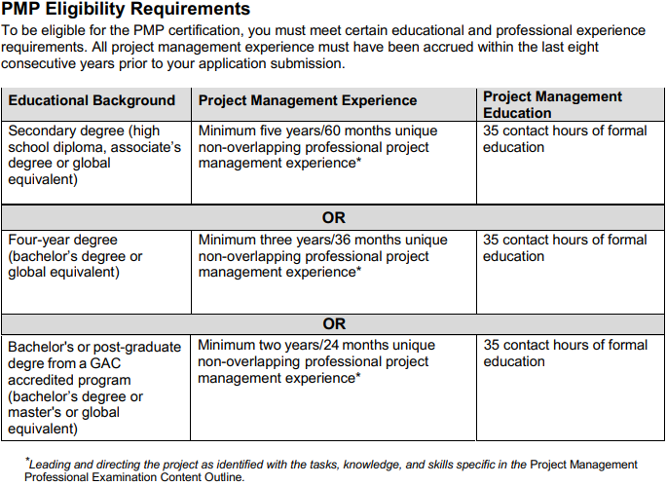
Project Title: |  |  |  |  |  |  |  |  | Word Count
Project Description "Narrative": Provide a high-level description that summarizes your experience and includes the project objective, outcome, your role on the project, and your responsibilities and deliverables. A typical response is between 200 to 500 words. Objective - “This is your WHY to the WHAT – think business case…why was the project undertaken? What was the goal of spending all this time and money?” Outcome - “This is the result of your project. Did employees ultimately adopt the new process? Did the management reward the project team? Did your region get recognized as the most efficient? Was your project more successful than anticipated? Role - “This is your title/billet for the project. EXAMPLE: I was the project manager/event planner.” Responsibilities - “This is what you were in charge of during the project. Were you responsible for scheduling meetings? Did you manage the budget? Did you facilitate team events?” Deliverables - “This is the final product, service, or result that was delivered. Did you create a new process? Did you improve efficiency levels? Did you increase stakeholder satisfaction?” |  |  |  |  |  |  |  |  | 172
 |  |  |  |  |  |  |  |  | >100 Req.
 |  |  |  |  |  |  |  |  | 200-500 Rec.

Start Date (MM/YYYY) | End Date (MM/YYYY) | # of Months | Organization | Job Title | Functional Area | Primary Focus | Methodology | Team Size | Budget
 |  | 0 |  | Project Manager
***Contact info only need if audited***
Contact Name | Phone | Email | Organization Address

Project Title: |  |  |  |  |  |  |  |  | Word Count
Project Description "Narrative": Provide a high-level description that summarizes your experience and includes the project objective, outcome, your role on the project, and your responsibilities and deliverables. A typical response is between 200 to 500 words. Objective - “This is your WHY to the WHAT – think business case…why was the project undertaken? What was the goal of spending all this time and money?” Outcome - “This is the result of your project. Did employees ultimately adopt the new process? Did the management reward the project team? Did your region get recognized as the most efficient? Was your project more successful than anticipated? Role - “This is your title/billet for the project. EXAMPLE: I was the project manager/event planner.” Responsibilities - “This is what you were in charge of during the project. Were you responsible for scheduling meetings? Did you manage the budget? Did you facilitate team events?” Deliverables - “This is the final product, service, or result that was delivered. Did you create a new process? Did you improve efficiency levels? Did you increase stakeholder satisfaction?” |  |  |  |  |  |  |  |  | 172
 |  |  |  |  |  |  |  |  | >100 Req.
 |  |  |  |  |  |  |  |  | 200-500 Rec.

 |  |  |  |  |  |  |  |  |  | PMP® Certification Handbook – revised 8 June 2020
 |  |  |  |  |  |  |  |  |  | No Overlapping Months
Start Date (MM/YYYY) | End Date (MM/YYYY) | # of Months | Organization | Job Title | Functional Area | Primary Focus | Methodology | Team Size | Budget
 |  | 0 |  | Project Manager
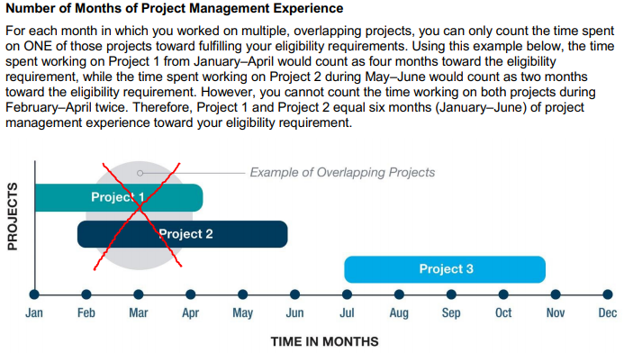
***Contact info only need if audited***
Contact Name | Phone | Email | Organization Address

Project Title: |  |  |  |  |  |  |  |  | Word Count
Project Description "Narrative": Provide a high-level description that summarizes your experience and includes the project objective, outcome, your role on the project, and your responsibilities and deliverables. A typical response is between 200 to 500 words. Objective - “This is your WHY to the WHAT – think business case…why was the project undertaken? What was the goal of spending all this time and money?” Outcome - “This is the result of your project. Did employees ultimately adopt the new process? Did the management reward the project team? Did your region get recognized as the most efficient? Was your project more successful than anticipated? Role - “This is your title/billet for the project. EXAMPLE: I was the project manager/event planner.” Responsibilities - “This is what you were in charge of during the project. Were you responsible for scheduling meetings? Did you manage the budget? Did you facilitate team events?” Deliverables - “This is the final product, service, or result that was delivered. Did you create a new process? Did you improve efficiency levels? Did you increase stakeholder satisfaction?” |  |  |  |  |  |  |  |  | 172
 |  |  |  |  |  |  |  |  | >100 Req.
 |  |  |  |  |  |  |  |  | 200-500 Rec.

Start Date (MM/YYYY) | End Date (MM/YYYY) | # of Months | Organization | Job Title | Functional Area | Primary Focus | Methodology | Team Size | Budget
 |  | 0 |  | Project Manager
***Contact info only need if audited***
Contact Name | Phone | Email | Organization Address

Project Title: |  |  |  |  |  |  |  |  | Word Count | PMP® Certification Handbook – revised 8 June 2020
Project Description "Narrative": Provide a high-level description that summarizes your experience and includes the project objective, outcome, your role on the project, and your responsibilities and deliverables. A typical response is between 200 to 500 words. Objective - “This is your WHY to the WHAT – think business case…why was the project undertaken? What was the goal of spending all this time and money?” Outcome - “This is the result of your project. Did employees ultimately adopt the new process? Did the management reward the project team? Did your region get recognized as the most efficient? Was your project more successful than anticipated? Role - “This is your title/billet for the project. EXAMPLE: I was the project manager/event planner.” Responsibilities - “This is what you were in charge of during the project. Were you responsible for scheduling meetings? Did you manage the budget? Did you facilitate team events?” Deliverables - “This is the final product, service, or result that was delivered. Did you create a new process? Did you improve efficiency levels? Did you increase stakeholder satisfaction?” |  |  |  |  |  |  |  |  | 172 | Approval and Renewal Process
 |  |  |  |  |  |  |  |  | >100 Req.
 |  |  |  |  |  |  |  |  | 200-500 Rec.
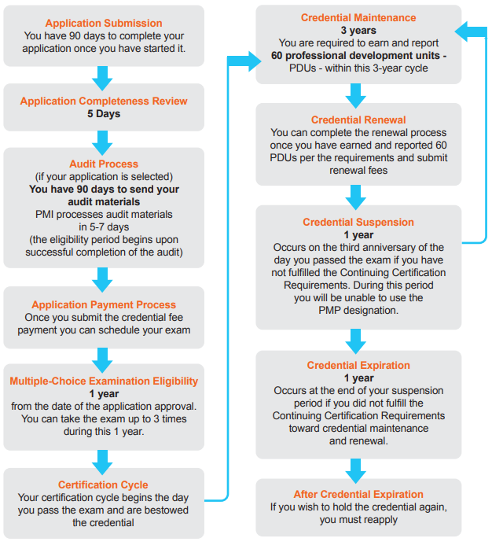

Start Date (MM/YYYY) | End Date (MM/YYYY) | # of Months | Organization | Job Title | Functional Area | Primary Focus | Methodology | Team Size | Budget
 |  | 0 |  | Project Manager
***Contact info only need if audited***
Contact Name | Phone | Email | Organization Address

Project Title: |  |  |  |  |  |  |  |  | Word Count
Project Description "Narrative": Provide a high-level description that summarizes your experience and includes the project objective, outcome, your role on the project, and your responsibilities and deliverables. A typical response is between 200 to 500 words. Objective - “This is your WHY to the WHAT – think business case…why was the project undertaken? What was the goal of spending all this time and money?” Outcome - “This is the result of your project. Did employees ultimately adopt the new process? Did the management reward the project team? Did your region get recognized as the most efficient? Was your project more successful than anticipated? Role - “This is your title/billet for the project. EXAMPLE: I was the project manager/event planner.” Responsibilities - “This is what you were in charge of during the project. Were you responsible for scheduling meetings? Did you manage the budget? Did you facilitate team events?” Deliverables - “This is the final product, service, or result that was delivered. Did you create a new process? Did you improve efficiency levels? Did you increase stakeholder satisfaction?” |  |  |  |  |  |  |  |  | 172
 |  |  |  |  |  |  |  |  | >100 Req.
 |  |  |  |  |  |  |  |  | 200-500 Rec.

Start Date (MM/YYYY) | End Date (MM/YYYY) | # of Months | Organization | Job Title | Functional Area | Primary Focus | Methodology | Team Size | Budget
 |  | 0 |  | Project Manager
***Contact info only need if audited***
Contact Name | Phone | Email | Organization Address

Project Title: |  |  |  |  |  |  |  |  | Word Count
Project Description "Narrative": Provide a high-level description that summarizes your experience and includes the project objective, outcome, your role on the project, and your responsibilities and deliverables. A typical response is between 200 to 500 words. Objective - “This is your WHY to the WHAT – think business case…why was the project undertaken? What was the goal of spending all this time and money?” Outcome - “This is the result of your project. Did employees ultimately adopt the new process? Did the management reward the project team? Did your region get recognized as the most efficient? Was your project more successful than anticipated? Role - “This is your title/billet for the project. EXAMPLE: I was the project manager/event planner.” Responsibilities - “This is what you were in charge of during the project. Were you responsible for scheduling meetings? Did you manage the budget? Did you facilitate team events?” Deliverables - “This is the final product, service, or result that was delivered. Did you create a new process? Did you improve efficiency levels? Did you increase stakeholder satisfaction?” |  |  |  |  |  |  |  |  | 172
 |  |  |  |  |  |  |  |  | >100 Req.
 |  |  |  |  |  |  |  |  | 200-500 Rec.

Start Date (MM/YYYY) | End Date (MM/YYYY) | # of Months | Organization | Job Title | Functional Area | Primary Focus | Methodology | Team Size | Budget
 |  | 0 |  | Project Manager |  |  |  |  |  | PMP® Certification Handbook – revised 8 June 2020
***Contact info only need if audited***
Contact Name | Phone | Email | Organization Address
 |  |  |  |  |  |  |  |  |  | Exam Fees

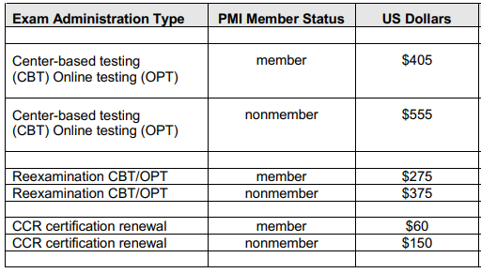
Project Title: |  |  |  |  |  |  |  |  | Word Count
Project Description "Narrative": Provide a high-level description that summarizes your experience and includes the project objective, outcome, your role on the project, and your responsibilities and deliverables. A typical response is between 200 to 500 words. Objective - “This is your WHY to the WHAT – think business case…why was the project undertaken? What was the goal of spending all this time and money?” Outcome - “This is the result of your project. Did employees ultimately adopt the new process? Did the management reward the project team? Did your region get recognized as the most efficient? Was your project more successful than anticipated? Role - “This is your title/billet for the project. EXAMPLE: I was the project manager/event planner.” Responsibilities - “This is what you were in charge of during the project. Were you responsible for scheduling meetings? Did you manage the budget? Did you facilitate team events?” Deliverables - “This is the final product, service, or result that was delivered. Did you create a new process? Did you improve efficiency levels? Did you increase stakeholder satisfaction?” |  |  |  |  |  |  |  |  | 172
 |  |  |  |  |  |  |  |  | >100 Req.
 |  |  |  |  |  |  |  |  | 200-500 Rec.

Start Date (MM/YYYY) | End Date (MM/YYYY) | # of Months | Organization | Job Title | Functional Area | Primary Focus | Methodology | Team Size | Budget
 |  | 0 |  | Project Manager
***Contact info only need if audited***
Contact Name | Phone | Email | Organization Address

Project Title: |  |  |  |  |  |  |  |  | Word Count
Project Description "Narrative": Provide a high-level description that summarizes your experience and includes the project objective, outcome, your role on the project, and your responsibilities and deliverables. A typical response is between 200 to 500 words. Objective - “This is your WHY to the WHAT – think business case…why was the project undertaken? What was the goal of spending all this time and money?” Outcome - “This is the result of your project. Did employees ultimately adopt the new process? Did the management reward the project team? Did your region get recognized as the most efficient? Was your project more successful than anticipated? Role - “This is your title/billet for the project. EXAMPLE: I was the project manager/event planner.” Responsibilities - “This is what you were in charge of during the project. Were you responsible for scheduling meetings? Did you manage the budget? Did you facilitate team events?” Deliverables - “This is the final product, service, or result that was delivered. Did you create a new process? Did you improve efficiency levels? Did you increase stakeholder satisfaction?” |  |  |  |  |  |  |  |  | 172 | PMP® Certification Handbook – revised 8 June 2020
 |  |  |  |  |  |  |  |  | >100 Req.
 |  |  |  |  |  |  |  |  | 200-500 Rec.

 |  |  |  |  |  |  |  |  |  | Reexamination Fee

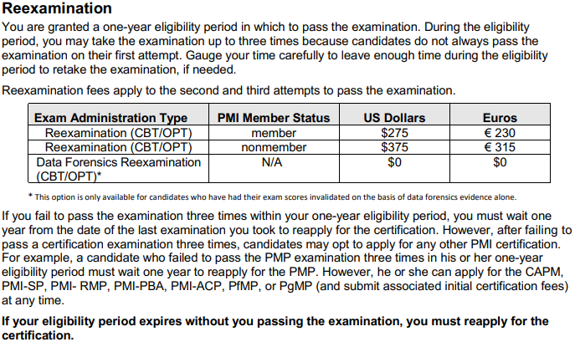

Start Date (MM/YYYY) | End Date (MM/YYYY) | # of Months | Organization | Job Title | Functional Area | Primary Focus | Methodology | Team Size | Budget
 |  | 0 |  | Project Manager
***Contact info only need if audited***
Contact Name | Phone | Email | Organization Address

Project Title: |  |  |  |  |  |  |  |  | Word Count
Project Description "Narrative": Provide a high-level description that summarizes your experience and includes the project objective, outcome, your role on the project, and your responsibilities and deliverables. A typical response is between 200 to 500 words. Objective - “This is your WHY to the WHAT – think business case…why was the project undertaken? What was the goal of spending all this time and money?” Outcome - “This is the result of your project. Did employees ultimately adopt the new process? Did the management reward the project team? Did your region get recognized as the most efficient? Was your project more successful than anticipated? Role - “This is your title/billet for the project. EXAMPLE: I was the project manager/event planner.” Responsibilities - “This is what you were in charge of during the project. Were you responsible for scheduling meetings? Did you manage the budget? Did you facilitate team events?” Deliverables - “This is the final product, service, or result that was delivered. Did you create a new process? Did you improve efficiency levels? Did you increase stakeholder satisfaction?” |  |  |  |  |  |  |  |  | 172
 |  |  |  |  |  |  |  |  | >100 Req.
 |  |  |  |  |  |  |  |  | 200-500 Rec.

Start Date (MM/YYYY) | End Date (MM/YYYY) | # of Months | Organization | Job Title | Functional Area | Primary Focus | Methodology | Team Size | Budget
 |  | 0 |  | Project Manager
***Contact info only need if audited***
Contact Name | Phone | Email | Organization Address |  |  |  |  |  |  | PMP® Certification Handbook – revised 8 June 2020

Project Title: |  |  |  |  |  |  |  |  | Word Count | Audit Process
Project Description "Narrative": Provide a high-level description that summarizes your experience and includes the project objective, outcome, your role on the project, and your responsibilities and deliverables. A typical response is between 200 to 500 words. Objective - “This is your WHY to the WHAT – think business case…why was the project undertaken? What was the goal of spending all this time and money?” Outcome - “This is the result of your project. Did employees ultimately adopt the new process? Did the management reward the project team? Did your region get recognized as the most efficient? Was your project more successful than anticipated? Role - “This is your title/billet for the project. EXAMPLE: I was the project manager/event planner.” Responsibilities - “This is what you were in charge of during the project. Were you responsible for scheduling meetings? Did you manage the budget? Did you facilitate team events?” Deliverables - “This is the final product, service, or result that was delivered. Did you create a new process? Did you improve efficiency levels? Did you increase stakeholder satisfaction?” |  |  |  |  |  |  |  |  | 172
 |  |  |  |  |  |  |  |  | >100 Req.
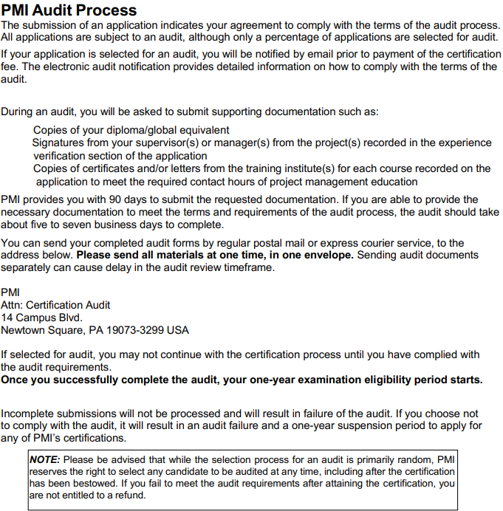
 |  |  |  |  |  |  |  |  | 200-500 Rec.

Start Date (MM/YYYY) | End Date (MM/YYYY) | # of Months | Organization | Job Title | Functional Area | Primary Focus | Methodology | Team Size | Budget
 |  | 0 |  | Project Manager
***Contact info only need if audited***
Contact Name | Phone | Email | Organization Address

Project Title: |  |  |  |  |  |  |  |  | Word Count
Project Description "Narrative": Provide a high-level description that summarizes your experience and includes the project objective, outcome, your role on the project, and your responsibilities and deliverables. A typical response is between 200 to 500 words. Objective - “This is your WHY to the WHAT – think business case…why was the project undertaken? What was the goal of spending all this time and money?” Outcome - “This is the result of your project. Did employees ultimately adopt the new process? Did the management reward the project team? Did your region get recognized as the most efficient? Was your project more successful than anticipated? Role - “This is your title/billet for the project. EXAMPLE: I was the project manager/event planner.” Responsibilities - “This is what you were in charge of during the project. Were you responsible for scheduling meetings? Did you manage the budget? Did you facilitate team events?” Deliverables - “This is the final product, service, or result that was delivered. Did you create a new process? Did you improve efficiency levels? Did you increase stakeholder satisfaction?” |  |  |  |  |  |  |  |  | 172
 |  |  |  |  |  |  |  |  | >100 Req.
 |  |  |  |  |  |  |  |  | 200-500 Rec.

Start Date (MM/YYYY) | End Date (MM/YYYY) | # of Months | Organization | Job Title | Functional Area | Primary Focus | Methodology | Team Size | Budget
 |  | 0 |  | Project Manager
***Contact info only need if audited***
Contact Name | Phone | Email | Organization Address

Project Title: |  |  |  |  |  |  |  |  | Word Count
Project Description "Narrative": Provide a high-level description that summarizes your experience and includes the project objective, outcome, your role on the project, and your responsibilities and deliverables. A typical response is between 200 to 500 words. Objective - “This is your WHY to the WHAT – think business case…why was the project undertaken? What was the goal of spending all this time and money?” Outcome - “This is the result of your project. Did employees ultimately adopt the new process? Did the management reward the project team? Did your region get recognized as the most efficient? Was your project more successful than anticipated? Role - “This is your title/billet for the project. EXAMPLE: I was the project manager/event planner.” Responsibilities - “This is what you were in charge of during the project. Were you responsible for scheduling meetings? Did you manage the budget? Did you facilitate team events?” Deliverables - “This is the final product, service, or result that was delivered. Did you create a new process? Did you improve efficiency levels? Did you increase stakeholder satisfaction?” |  |  |  |  |  |  |  |  | 172
 |  |  |  |  |  |  |  |  | >100 Req.
 |  |  |  |  |  |  |  |  | 200-500 Rec.

 |  |  |  |  |  |  |  |  |  | PMP® Certification Handbook – revised 8 June 2020

 |  |  |  |  |  |  |  |  |  | The Exam

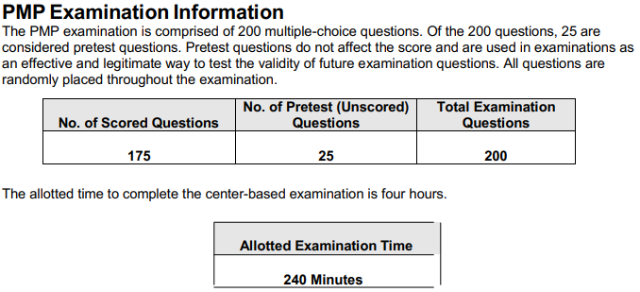
Start Date (MM/YYYY) | End Date (MM/YYYY) | # of Months | Organization | Job Title | Functional Area | Primary Focus | Methodology | Team Size | Budget
 |  | 0 |  | Project Manager
***Contact info only need if audited***
Contact Name | Phone | Email | Organization Address

Project Title: |  |  |  |  |  |  |  |  | Word Count
Project Description "Narrative": Provide a high-level description that summarizes your experience and includes the project objective, outcome, your role on the project, and your responsibilities and deliverables. A typical response is between 200 to 500 words. Objective - “This is your WHY to the WHAT – think business case…why was the project undertaken? What was the goal of spending all this time and money?” Outcome - “This is the result of your project. Did employees ultimately adopt the new process? Did the management reward the project team? Did your region get recognized as the most efficient? Was your project more successful than anticipated? Role - “This is your title/billet for the project. EXAMPLE: I was the project manager/event planner.” Responsibilities - “This is what you were in charge of during the project. Were you responsible for scheduling meetings? Did you manage the budget? Did you facilitate team events?” Deliverables - “This is the final product, service, or result that was delivered. Did you create a new process? Did you improve efficiency levels? Did you increase stakeholder satisfaction?” |  |  |  |  |  |  |  |  | 172
 |  |  |  |  |  |  |  |  | >100 Req.
 |  |  |  |  |  |  |  |  | 200-500 Rec.

Start Date (MM/YYYY) | End Date (MM/YYYY) | # of Months | Organization | Job Title | Functional Area | Primary Focus | Methodology | Team Size | Budget | PMP® Certification Handbook – revised 8 June 2020
 |  | 0 |  | Project Manager
***Contact info only need if audited***
Contact Name | Phone | Email | Organization Address

Project Title: |  |  |  |  |  |  |  |  | Word Count
Project Description "Narrative": Provide a high-level description that summarizes your experience and includes the project objective, outcome, your role on the project, and your responsibilities and deliverables. A typical response is between 200 to 500 words. Objective - “This is your WHY to the WHAT – think business case…why was the project undertaken? What was the goal of spending all this time and money?” Outcome - “This is the result of your project. Did employees ultimately adopt the new process? Did the management reward the project team? Did your region get recognized as the most efficient? Was your project more successful than anticipated? Role - “This is your title/billet for the project. EXAMPLE: I was the project manager/event planner.” Responsibilities - “This is what you were in charge of during the project. Were you responsible for scheduling meetings? Did you manage the budget? Did you facilitate team events?” Deliverables - “This is the final product, service, or result that was delivered. Did you create a new process? Did you improve efficiency levels? Did you increase stakeholder satisfaction?” |  |  |  |  |  |  |  |  | 172
 |  |  |  |  |  |  |  |  | >100 Req.
 |  |  |  |  |  |  |  |  | 200-500 Rec.

Start Date (MM/YYYY) | End Date (MM/YYYY) | # of Months | Organization | Job Title | Functional Area | Primary Focus | Methodology | Team Size | Budget
 |  | 0 |  | Project Manager
***Contact info only need if audited***
Contact Name | Phone | Email | Organization Address

Project Title: |  |  |  |  |  |  |  |  | Word Count
Project Description "Narrative": Provide a high-level description that summarizes your experience and includes the project objective, outcome, your role on the project, and your responsibilities and deliverables. A typical response is between 200 to 500 words. Objective - “This is your WHY to the WHAT – think business case…why was the project undertaken? What was the goal of spending all this time and money?” Outcome - “This is the result of your project. Did employees ultimately adopt the new process? Did the management reward the project team? Did your region get recognized as the most efficient? Was your project more successful than anticipated? Role - “This is your title/billet for the project. EXAMPLE: I was the project manager/event planner.” Responsibilities - “This is what you were in charge of during the project. Were you responsible for scheduling meetings? Did you manage the budget? Did you facilitate team events?” Deliverables - “This is the final product, service, or result that was delivered. Did you create a new process? Did you improve efficiency levels? Did you increase stakeholder satisfaction?” |  |  |  |  |  |  |  |  | 172
 |  |  |  |  |  |  |  |  | >100 Req.
 |  |  |  |  |  |  |  |  | 200-500 Rec.

Start Date (MM/YYYY) | End Date (MM/YYYY) | # of Months | Organization | Job Title | Functional Area | Primary Focus | Methodology | Team Size | Budget
 |  | 0 |  | Project Manager
***Contact info only need if audited***
Contact Name | Phone | Email | Organization Address

Project Title: |  |  |  |  |  |  |  |  | Word Count
Project Description "Narrative": Provide a high-level description that summarizes your experience and includes the project objective, outcome, your role on the project, and your responsibilities and deliverables. A typical response is between 200 to 500 words. Objective - “This is your WHY to the WHAT – think business case…why was the project undertaken? What was the goal of spending all this time and money?” Outcome - “This is the result of your project. Did employees ultimately adopt the new process? Did the management reward the project team? Did your region get recognized as the most efficient? Was your project more successful than anticipated? Role - “This is your title/billet for the project. EXAMPLE: I was the project manager/event planner.” Responsibilities - “This is what you were in charge of during the project. Were you responsible for scheduling meetings? Did you manage the budget? Did you facilitate team events?” Deliverables - “This is the final product, service, or result that was delivered. Did you create a new process? Did you improve efficiency levels? Did you increase stakeholder satisfaction?” |  |  |  |  |  |  |  |  | 172
 |  |  |  |  |  |  |  |  | >100 Req.
 |  |  |  |  |  |  |  |  | 200-500 Rec.

Start Date (MM/YYYY) | End Date (MM/YYYY) | # of Months | Organization | Job Title | Functional Area | Primary Focus | Methodology | Team Size | Budget
 |  | 0 |  | Project Manager
***Contact info only need if audited***
Contact Name | Phone | Email | Organization Address

Project Title: |  |  |  |  |  |  |  |  | Word Count
Project Description "Narrative": Provide a high-level description that summarizes your experience and includes the project objective, outcome, your role on the project, and your responsibilities and deliverables. A typical response is between 200 to 500 words. Objective - “This is your WHY to the WHAT – think business case…why was the project undertaken? What was the goal of spending all this time and money?” Outcome - “This is the result of your project. Did employees ultimately adopt the new process? Did the management reward the project team? Did your region get recognized as the most efficient? Was your project more successful than anticipated? Role - “This is your title/billet for the project. EXAMPLE: I was the project manager/event planner.” Responsibilities - “This is what you were in charge of during the project. Were you responsible for scheduling meetings? Did you manage the budget? Did you facilitate team events?” Deliverables - “This is the final product, service, or result that was delivered. Did you create a new process? Did you improve efficiency levels? Did you increase stakeholder satisfaction?” |  |  |  |  |  |  |  |  | 172
 |  |  |  |  |  |  |  |  | >100 Req.
 |  |  |  |  |  |  |  |  | 200-500 Rec.

Start Date (MM/YYYY) | End Date (MM/YYYY) | # of Months | Organization | Job Title | Functional Area | Primary Focus | Methodology | Team Size | Budget
 |  | 0 |  | Project Manager
***Contact info only need if audited***
Contact Name | Phone | Email | Organization Address

Project Title: |  |  |  |  |  |  |  |  | Word Count
Project Description "Narrative": Provide a high-level description that summarizes your experience and includes the project objective, outcome, your role on the project, and your responsibilities and deliverables. A typical response is between 200 to 500 words. Objective - “This is your WHY to the WHAT – think business case…why was the project undertaken? What was the goal of spending all this time and money?” Outcome - “This is the result of your project. Did employees ultimately adopt the new process? Did the management reward the project team? Did your region get recognized as the most efficient? Was your project more successful than anticipated? Role - “This is your title/billet for the project. EXAMPLE: I was the project manager/event planner.” Responsibilities - “This is what you were in charge of during the project. Were you responsible for scheduling meetings? Did you manage the budget? Did you facilitate team events?” Deliverables - “This is the final product, service, or result that was delivered. Did you create a new process? Did you improve efficiency levels? Did you increase stakeholder satisfaction?” |  |  |  |  |  |  |  |  | 172
 |  |  |  |  |  |  |  |  | >100 Req.
 |  |  |  |  |  |  |  |  | 200-500 Rec.

Start Date (MM/YYYY) | End Date (MM/YYYY) | # of Months | Organization | Job Title | Functional Area | Primary Focus | Methodology | Team Size | Budget
 |  | 0 |  | Project Manager
***Contact info only need if audited***
Contact Name | Phone | Email | Organization Address

Project Title: |  |  |  |  |  |  |  |  | Word Count
Project Description "Narrative": Provide a high-level description that summarizes your experience and includes the project objective, outcome, your role on the project, and your responsibilities and deliverables. A typical response is between 200 to 500 words. Objective - “This is your WHY to the WHAT – think business case…why was the project undertaken? What was the goal of spending all this time and money?” Outcome - “This is the result of your project. Did employees ultimately adopt the new process? Did the management reward the project team? Did your region get recognized as the most efficient? Was your project more successful than anticipated? Role - “This is your title/billet for the project. EXAMPLE: I was the project manager/event planner.” Responsibilities - “This is what you were in charge of during the project. Were you responsible for scheduling meetings? Did you manage the budget? Did you facilitate team events?” Deliverables - “This is the final product, service, or result that was delivered. Did you create a new process? Did you improve efficiency levels? Did you increase stakeholder satisfaction?” |  |  |  |  |  |  |  |  | 172
 |  |  |  |  |  |  |  |  | >100 Req.
 |  |  |  |  |  |  |  |  | 200-500 Rec.

Start Date (MM/YYYY) | End Date (MM/YYYY) | # of Months | Organization | Job Title | Functional Area | Primary Focus | Methodology | Team Size | Budget
 |  | 0 |  | Project Manager
***Contact info only need if audited***
Contact Name | Phone | Email | Organization Address

Project Title: |  |  |  |  |  |  |  |  | Word Count
Project Description "Narrative": Provide a high-level description that summarizes your experience and includes the project objective, outcome, your role on the project, and your responsibilities and deliverables. A typical response is between 200 to 500 words. Objective - “This is your WHY to the WHAT – think business case…why was the project undertaken? What was the goal of spending all this time and money?” Outcome - “This is the result of your project. Did employees ultimately adopt the new process? Did the management reward the project team? Did your region get recognized as the most efficient? Was your project more successful than anticipated? Role - “This is your title/billet for the project. EXAMPLE: I was the project manager/event planner.” Responsibilities - “This is what you were in charge of during the project. Were you responsible for scheduling meetings? Did you manage the budget? Did you facilitate team events?” Deliverables - “This is the final product, service, or result that was delivered. Did you create a new process? Did you improve efficiency levels? Did you increase stakeholder satisfaction?” |  |  |  |  |  |  |  |  | 172
 |  |  |  |  |  |  |  |  | >100 Req.
 |  |  |  |  |  |  |  |  | 200-500 Rec.

Start Date (MM/YYYY) | End Date (MM/YYYY) | # of Months | Organization | Job Title | Functional Area | Primary Focus | Methodology | Team Size | Budget
 |  | 0 |  | Project Manager
***Contact info only need if audited***
Contact Name | Phone | Email | Organization Address

Project Title: |  |  |  |  |  |  |  |  | Word Count
Project Description "Narrative": Provide a high-level description that summarizes your experience and includes the project objective, outcome, your role on the project, and your responsibilities and deliverables. A typical response is between 200 to 500 words. Objective - “This is your WHY to the WHAT – think business case…why was the project undertaken? What was the goal of spending all this time and money?” Outcome - “This is the result of your project. Did employees ultimately adopt the new process? Did the management reward the project team? Did your region get recognized as the most efficient? Was your project more successful than anticipated? Role - “This is your title/billet for the project. EXAMPLE: I was the project manager/event planner.” Responsibilities - “This is what you were in charge of during the project. Were you responsible for scheduling meetings? Did you manage the budget? Did you facilitate team events?” Deliverables - “This is the final product, service, or result that was delivered. Did you create a new process? Did you improve efficiency levels? Did you increase stakeholder satisfaction?” |  |  |  |  |  |  |  |  | 172
 |  |  |  |  |  |  |  |  | >100 Req.
 |  |  |  |  |  |  |  |  | 200-500 Rec.

Start Date (MM/YYYY) | End Date (MM/YYYY) | # of Months | Organization | Job Title | Functional Area | Primary Focus | Methodology | Team Size | Budget
 |  | 0 |  | Project Manager
***Contact info only need if audited***
Contact Name | Phone | Email | Organization Address

Project Title: |  |  |  |  |  |  |  |  | Word Count
Project Description "Narrative": Provide a high-level description that summarizes your experience and includes the project objective, outcome, your role on the project, and your responsibilities and deliverables. A typical response is between 200 to 500 words. Objective - “This is your WHY to the WHAT – think business case…why was the project undertaken? What was the goal of spending all this time and money?” Outcome - “This is the result of your project. Did employees ultimately adopt the new process? Did the management reward the project team? Did your region get recognized as the most efficient? Was your project more successful than anticipated? Role - “This is your title/billet for the project. EXAMPLE: I was the project manager/event planner.” Responsibilities - “This is what you were in charge of during the project. Were you responsible for scheduling meetings? Did you manage the budget? Did you facilitate team events?” Deliverables - “This is the final product, service, or result that was delivered. Did you create a new process? Did you improve efficiency levels? Did you increase stakeholder satisfaction?” |  |  |  |  |  |  |  |  | 172
 |  |  |  |  |  |  |  |  | >100 Req.
 |  |  |  |  |  |  |  |  | 200-500 Rec.

Start Date (MM/YYYY) | End Date (MM/YYYY) | # of Months | Organization | Job Title | Functional Area | Primary Focus | Methodology | Team Size | Budget
 |  | 0 |  | Project Manager
***Contact info only need if audited***
Contact Name | Phone | Email | Organization Address

Project Title: |  |  |  |  |  |  |  |  | Word Count
Project Description "Narrative": Provide a high-level description that summarizes your experience and includes the project objective, outcome, your role on the project, and your responsibilities and deliverables. A typical response is between 200 to 500 words. Objective - “This is your WHY to the WHAT – think business case…why was the project undertaken? What was the goal of spending all this time and money?” Outcome - “This is the result of your project. Did employees ultimately adopt the new process? Did the management reward the project team? Did your region get recognized as the most efficient? Was your project more successful than anticipated? Role - “This is your title/billet for the project. EXAMPLE: I was the project manager/event planner.” Responsibilities - “This is what you were in charge of during the project. Were you responsible for scheduling meetings? Did you manage the budget? Did you facilitate team events?” Deliverables - “This is the final product, service, or result that was delivered. Did you create a new process? Did you improve efficiency levels? Did you increase stakeholder satisfaction?” |  |  |  |  |  |  |  |  | 172
 |  |  |  |  |  |  |  |  | >100 Req.
 |  |  |  |  |  |  |  |  | 200-500 Rec.

Start Date (MM/YYYY) | End Date (MM/YYYY) | # of Months | Organization | Job Title | Functional Area | Primary Focus | Methodology | Team Size | Budget
 |  | 0 |  | Project Manager
***Contact info only need if audited***
Contact Name | Phone | Email | Organization Address

Project Title: |  |  |  |  |  |  |  |  | Word Count
Project Description "Narrative": Provide a high-level description that summarizes your experience and includes the project objective, outcome, your role on the project, and your responsibilities and deliverables. A typical response is between 200 to 500 words. Objective - “This is your WHY to the WHAT – think business case…why was the project undertaken? What was the goal of spending all this time and money?” Outcome - “This is the result of your project. Did employees ultimately adopt the new process? Did the management reward the project team? Did your region get recognized as the most efficient? Was your project more successful than anticipated? Role - “This is your title/billet for the project. EXAMPLE: I was the project manager/event planner.” Responsibilities - “This is what you were in charge of during the project. Were you responsible for scheduling meetings? Did you manage the budget? Did you facilitate team events?” Deliverables - “This is the final product, service, or result that was delivered. Did you create a new process? Did you improve efficiency levels? Did you increase stakeholder satisfaction?” |  |  |  |  |  |  |  |  | 172
 |  |  |  |  |  |  |  |  | >100 Req.
 |  |  |  |  |  |  |  |  | 200-500 Rec.

